Hiearchy View
CLASS: VENT
an opening that allows air, gas, or liquid to pass out of or into a confined space. |  | 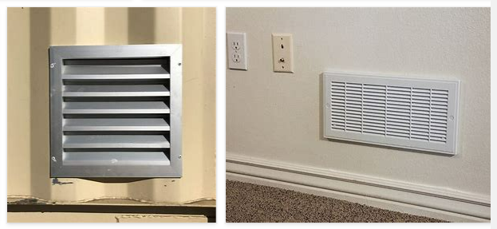
REMOVE | N

PROBLEM_DESC | CAUSE_DESC | REMEDY_DESC
BROKEN/DAMAGED
OTHER PROBLEM
PESTS
POWER-ELEC
STOPPED/SLOWED/POOR OPS
TEMP-CTRL
VIBRATION
Grand Total

